Bug#1
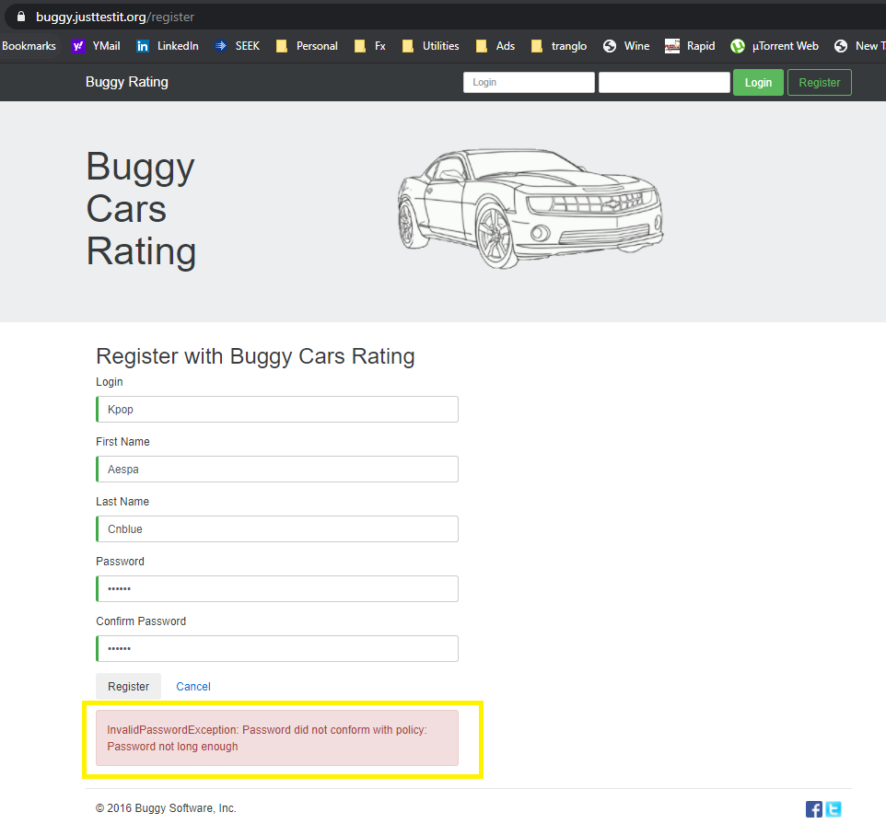
Title | Unable to register using 6-digit password with correct format
Description | I'm getting an error message when trying to input 6-digit password(with correct format). It's also not working for 7-digit password.
Test Data | Login: Kpop First Name: Aespa last Name: Cnblue Password: Chas6!
Steps to Reproduce | 1. Go to https://buggy.justtestit.org/
 | 2. Click the Register button
 | 3. Fill up all the required fields with correct value - Login - First Name - Last Name - Password (minimum field size of 6) - Confirm Password
 | 4. Click Register button below the form
Expected Result | Registration Successful
Actual Result | Registration Failed. Error Message is displayed. "InvalidPasswordException: Password did not conform with policy: Password not long enough"
Priority | 2
Severity | 2
Link | https://buggy.justtestit.org/register
Browser | Chrome
Screenshots

Bug#2
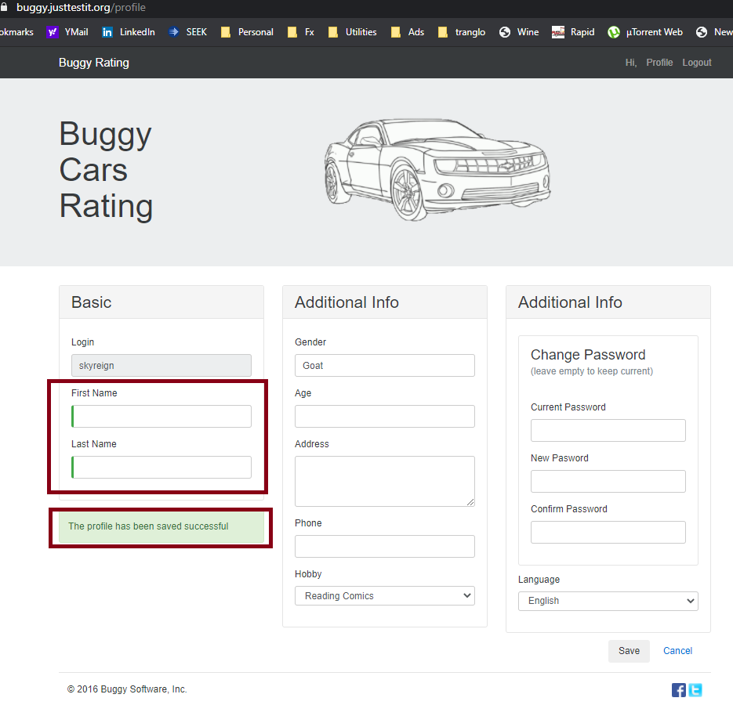
Title | Unable to vote on some model
Description | I can update my First Name and Last Name to blank by typing using the spacebar
Test Data | Login: skyreign Password: Chase20. First Name: <space> last Name: <space>
Steps to Reproduce | 1. Go to https://buggy.justtestit.org/
 | 2. Login using valid credentials and click the Login button
 | 3. Navigate to Profile link by clicking
 | 4. Update the First Name and Last Name field with only a "space"
 | 5. Click Save
Expected Result | Only allow valid First Name and Last Name
Actual Result | The profile has been saved successful
Priority | 2
Severity | 2
Link | https://buggy.justtestit.org/profile
Browser | Chrome
Screenshots

Bug#3
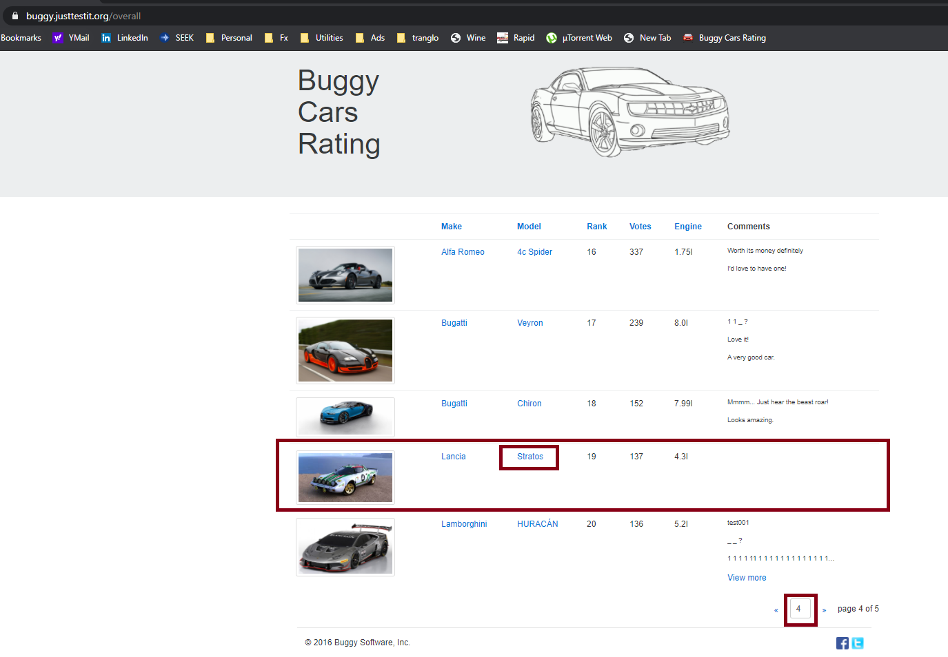
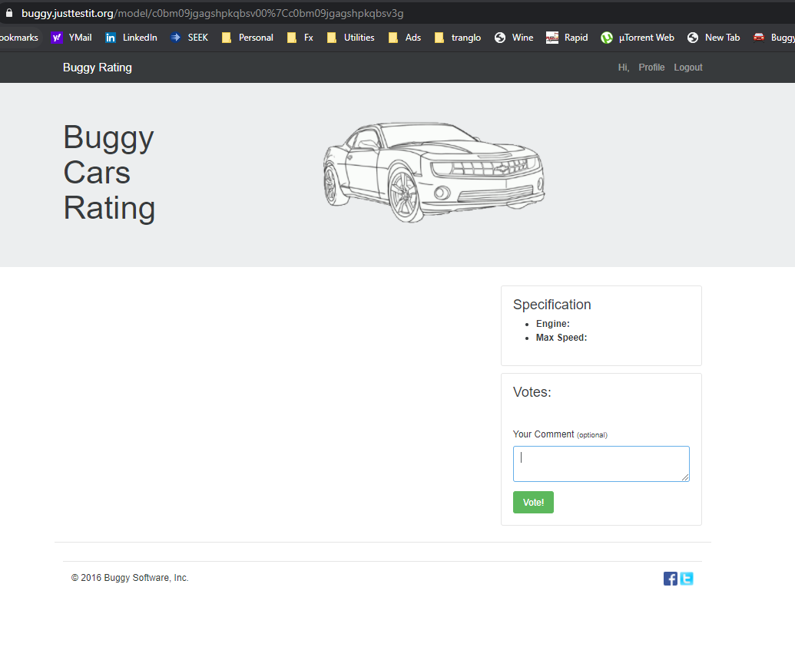
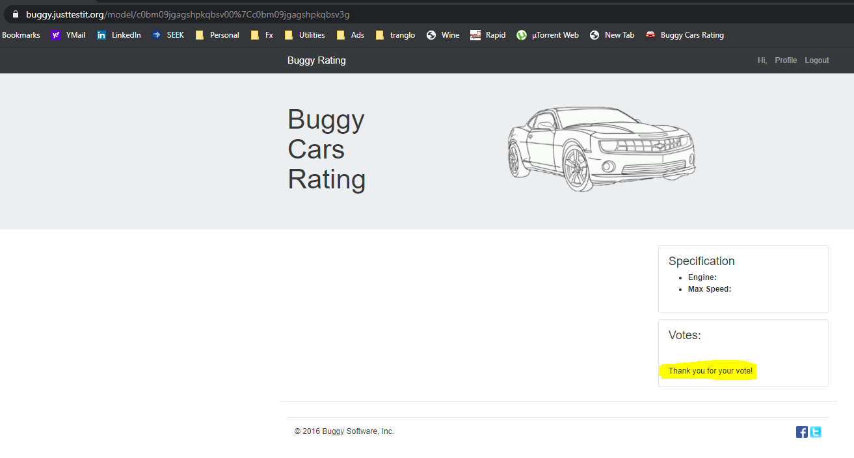
Title | System not working correctly when I click the Stratos Car Model
Description | When I try to access the Stratos Car model page, the system stops working properly and all the details are missing. When I try to input comments and click vote/navigate to homepage/profile, nothing happens to the page. When I restarted the browser and tried to access the Statos model, I can see that I've alread voted. The following details are missing in Stratos Car model Page. - Comments table - Total Votes - Specification - Summary page and image
Test Data | Login: skyreign Password: Chase20.
Steps to Reproduce | 1. Go to https://buggy.justtestit.org/
 | 2. Login using valid credentials and click the Login buton
 | 3. Navigate to Overall Rating page by clicking the Overall Rating thumbnail
 | 4. Navigate to page 4 and look for Stratos model
 | 5. Click on Stratos model link
Expected Result | The following details are correctly displayed in Stratos Car model Page. - Comments table - Total Votes - Specification - Summary page and image - links (Homepage, Profile,Logout)
Actual Result | Page not working properly. The following details are missing in Stratos Car model Page. - Comments table - Total Votes - Specification - Summary page and image
Priority | 1
Severity | 1
Link | https://buggy.justtestit.org/profile
Browser | Chrome
Screenshots

